工作表 1
表格 1

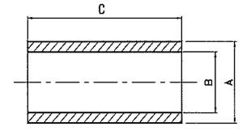
VI

NO.PC | DIMENSIONI |  |  | PESO(KG) |  | MATERIAL | ITEM
 | A | B | C | P.S. | KG
3 | 1144 | 1000 | 2000 | 7.85 | 11421 | SA 336 F22 CL3 | SH102

SI 1
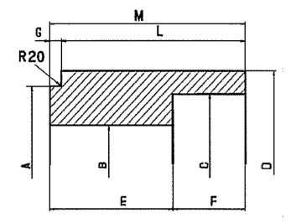

NO.PC | DIMENSIONI |  |  |  |  |  |  |  |  |  |  |  | WEIGHT IN KG |  | MATERIAL
 | A | B | C | D | E | F | G | H | L | M | N | P | P.S. | KG
1 | 1144 | 1000 | 1088 | 1274 | 280 | 1350 | 80 | — | 1550 | 1630 | — | — | 7.85 | 4577 | SA336 F22 CL3

DIS 2
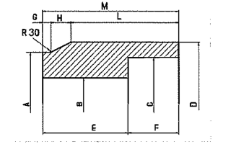

NO.PC | DIMENSIONI |  |  |  |  |  |  |  |  |  |  |  | WEIGHT IN KG |  | MATERIAL
 | A | B | C | D | E | F | G | H | L | M | N | P | P.S. | KG
1 | 1274 | 1088 | 1218 | 1375 | 502 | 501 | 50 | 152 | 801 | 1003 | — | — | 7.85 | 3235 | SA336 F22 CL3
1 | 940 | 822 | 941 | 1072 | 348 | 350 | 50 | 203 | 445 | 698 |  |  | 7.85 | 1331 | SA336 F22 CL3 | CI22

DI H

NO.PC | DIMENSIONI |  | PESO(KG) |  | MATERIAL |  | ITEM
 | A | B | P.S. | KG
1 | 1078 | 150 | 8 | 1095 | SA965 F347 |  | PT102
1 | 847 | 171 | 7.85 | 756 | SA336 F22 CL3 |  | CV102
1 | 941 | 164 | 7.85 | 895 | SA336 F22 CL3 |  | CV102

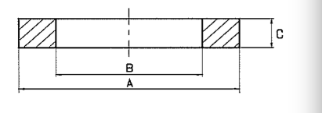
AN

PO.PC | DIMENSIONI |  |  | WEIGHT IN KG |  | MATERIAL | ITEM
 | A | B | C | P.S. | KG
1 | 1218 | 847 | 421 | 7.85 | 1989 | SA 336 F22 CL3 | ANFIL 102
1 | 1082 | 810 | 180 | 7.85 | 571 | SA 336 F22 CL3 | FL SP102
1 | 1185 | 1099 | 75 | 7.85 | 91 | SA 336 F22 CL3 | AN SP INT102
1 | 980 | 894 | 75 | 7.85 | 76 | SA 336 F22 CL3 | AN SP EST 102
1 | 1144 | 972 | 70 | 7.85 | 157 | SA 336 F22 CL3 | AN SETT 102
1 | 1088 | 972 | 70 | 7.85 | 103 | SA 336 F22 CL3 | ANSET INT 102
1 | 941 | 781 | 350 | 7.85 | 595 | SA 336 F22 CL3 | AN FIL 122
1 | 907 | 815 | 75 | 7.85 | 73 | SA 336 F22 CL3 | AN122
1 | 928 | 787 | 110 | 7.85 | 164 | SA 266 GR2 | FL K

CA
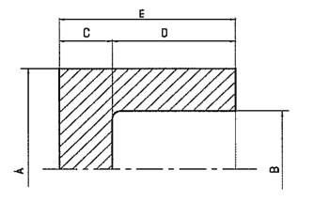

NO.PC | DIMENSIONI |  |  |  |  | PESO IN KG |  |  | MATERIAL
 | A | B | C | D | E | P.S. | KG
1 | 940 | 822 | 315 | 850 | 1165 | 7.85 | 2806 |  | SA336 F22 CL3

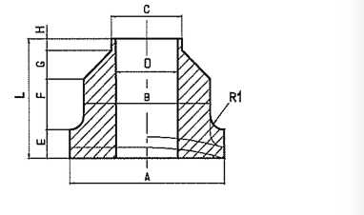
B LI

NO.PC | DIMENSIONI |  |  |  |  |  |  |  |  |  |  |  |  | PESO IN KG TOT |  | MATERIAL | ITEM
 | A | B | C | D | E | F | G |  | H | L | R1 | N | O | P.S | KG
2 | 581 | 541 | 457 | 381 | 178 | 250 | 42 |  | 50 | 520 | 20 | - | - | 7.85 | 917 | SA336 F22 CL3 | T-102
2 | 660 | 620 | 508 | 420 | 197 | 250 | 56 |  | 50 | 553 | 20 | - | - | 7.85 | 1332 | SA336 F22 CL3 | SH-102
2 | 597 | 557 | 457 | 377 | 188 | 250 | 50 |  | 50 | 538 | 20 | - | - | 7.85 | 1064 | SA336 F22 CL3 | T122

FLANGE STD
NO.PC | DIMENSIONI |  |  |  |  |  | PESO SINGOLO |  | MATERIAL
 | DIA | RATING | TIPO | SCH | RISALTO | LG
2 | 8” | 300# | LWN |  | RF | 305 | - |  | SA266 GR2
2 | 4” | 300# | LWN |  | RF | 305 | - |  | SA266 GR2
8 | 2” | 300# | LWN |  | RF | 229 | - |  | SA266 GR2

